2550Q
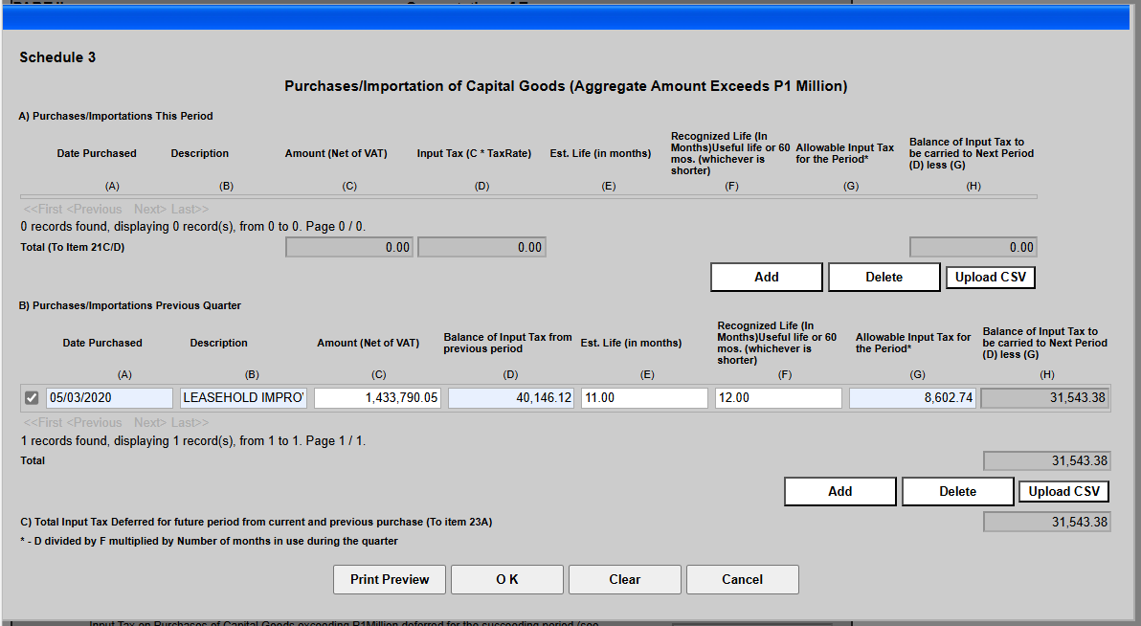
SVI 2550Q Schedule 3 (Q3 2024)

